Read Me
General instructions for operation of 'SAFB w New AE' Forage budget

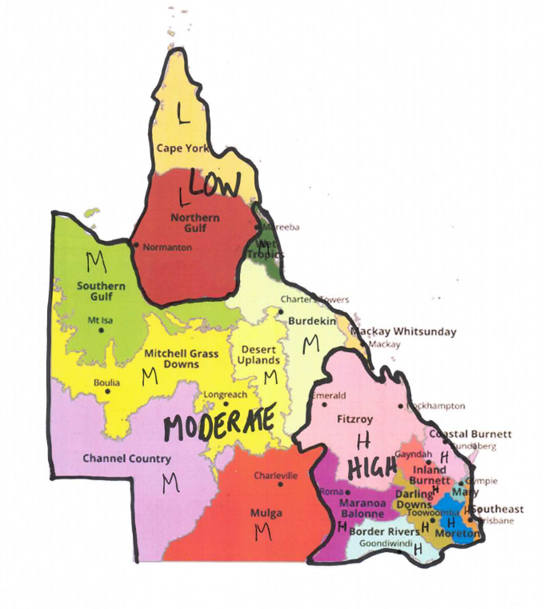
1 | Firstly, you need to select your Production Region. Have a look at the map to the right of the instructions and you will see it shows the Grazing Land Management Regions of Queensland. The heavier and thicker black lines subdivide Qld into regions according to the average productivity of growing cattle in that region. Find which region you are located in and select High, Moderate or Low accordingly. If growing cattle on your property gain more or less weight than the average for the region, you can change the region to suit. Growing cattle in the High Production Region gain more than 150 kg/year. Growing cattle in the Moderate Production Region gain between 110 and 150 kg/year and growing cattle in the Low production region usually gain less than 110 kg/year. Left click cell D3 and you will see an arrow to the right. Press on the arrow and a drop down list appears with High, Moderate and Low listed. Select the Production Region most appropriate for you.
2 | Copy all paddock names and areas from the Cibo Labs csv or Excel file and paste into the first 2 columns, "Paddock name" and "Paddock area". This may have been done prior to you receiving the spreadsheet in which case ignore this first step. Make sure you delete cell contents of paddocks listed below your last paddock or they will contribute to false readings later.
3 | Enter a "Usable paddock area" into the third column, column C, for each paddock, to account for distance to water and unusable areas of paddocks.
4 | Copy all paddock total biomass yields from the Cibo Labs csv or Excel file for the date you want to start the forage budget, making sure to copy in the same order as paddocks are listed so they match up correctly and paste into column H, "Start Yield from Cibo CSV…."
250 | Figures entered into yellow cells in Row 7 are copied automatically into the cells in that column unless there is a need to change the formula for a particular paddock, in which case the formula can be overwritten. If the formula is overwritten and you want to change it back to the original formula, copy from another cell and "Paste Formula" back into that cell.
5 | Enter starting and ending dates for the forage budget in cells D7 and E7 respectively. These dates will be copied into each of the cells in columns D and E. If you want to change dates in any one paddock or cell you can overwrite the formula but you will need to copy and paste the formula to regain the automated entry of dates
6 | When collecting biomass yield data in paddocks to validate the satellite imagery yields you will get a sense for the under- or over-estimation the satellite imagery is making relative to what you see on the ground. This under- or over-estimation can be corrected by putting an adjustment figure into cell I7. The figure is a percentage adjustment of the satellite imagery biomass yield. For example, if the satellite imagery is under-estimating total biomass by 30% you would type 130 into cell I7 and each biomass yield in column H7 will be multiplied by 130% to give an adjusted yield in the corresponding cell in column I. You can overwrite the formula in a cell for a paddock but if you want it to return to an automated calculation you need to copy and paste the formula back into that cell.
7 | Enter a Detachment rate into cell J7. This is usually 15% and will be copied into all cells in that column unless you want to overwrite the cell formula for an individual paddock.
8 | Enter the percentage of Unpalatable pasture species and Unpalatable 3Ps into cells L7 and N7, respectively to adjust the useful pasture components. Individual paddocks can be adjusted as above.
9 | Enter a figure for aniticipated growth into cell P7. This is usually left at 0 unless there is good soil moisture when a figure of 100 to 250 kg/ha could be expected over the period, but usually mininal at this time of year.
10 | In cell R7 type in the Desired Residual pasture you want left in all paddocks. This is the minimum yield that you require to retain good ground cover at the end of the grazing period. This is usually 800 to 1,000 kg/ha in drier years and inland areas. In wetter years, coastal areas and buffel pastures this should be around 1,500 kg/ha. This doesn't mean all pasture should be grazed to the Desired Residual yield. Retaining more can be good for other purposes including recovery of pastures after extended drought years or burning to control regrowth. Paying attention to the Utilisation Rate in column AF is important. An overall utilisation rate of 20% to 30% is good for stock diet quality and pasture resilience and stability. Alternatively you can forage budget by setting the Utilisation Rate to between 20% and 30% in cell AH7 and a sustainable carrying capacity for each paddock and the property can be calculated. See below for more on this.
11 | In the Demand section, use the drop down list in each cell of Column T to nominate what class of cattle are in the paddock or will go into the paddock. You don't need to put stock in paddocks to get an overall carrying capacity for the whole property over the grazing period. This will be calculated from Columns AE and AI.
12 | In column U, "Total number of head", enter the number of head of stock in each paddock. In the next 2 columns you can enter starting and ending weights of stock and an average will be calculated and given in the third column. Starting and ending weights are not necessary as they have no bearing on the calculations.
13 | The Results section gives the number of days the pasture will last the current stock numbers, how many AEs the paddocks will carry to the end date, Pasture grazed as a percentage of Useful pasture and Residual pasture at the end of the grazing period if all current stock remain on the paddock.
14 | You can enter a safe utilisation rate into cel AH7 to calculate a safe carrying capacity for the property for the grazing period. Safe utilisation rates usually range between 20% and 30% of Useful pasture. Cells for individual paddocks can be adjusted according to their individual circumstances, e.g. a paddock may have already been grazed heavily during the growing season and a utilisation rate of 10% of remaining pasture may be more applicable. Cell AJ7 gives the Total number of AEs that the property can run for the grazing period at the nominated utilisation rate.
15 | Cell AK7 gives the total number of AEs the property could run if all pasture was grazed down to the "Residual pasture" set for each paddock. This is not a desirable level of utilisation in most years and gives inflated carrying capacity figures but can be used in low rainfall years when pasture yields are much more limiting. Check the utilisation levels calculated for each paddock and given in column AF. "Pasture eaten as a % of Useful Pasture". If the utilisation rate creeps up over 30%, stock will need to be fed a good supplement as diet quality will be compromised and pasture in the paddock may be put under pressure but try to keep this figure between 20% and 30% or around 30%.

